Sheet1
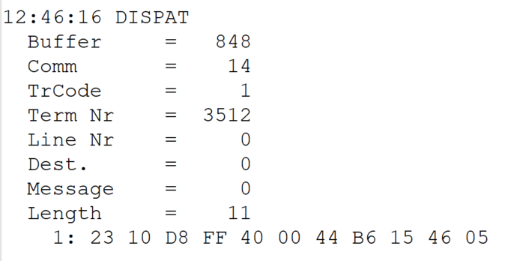
 |  |  |  |  | HEXA | BIN | DEC
TestByte |  | Size | Field Contents
Start | End
1 | 1 | 1 | Control | Sequence | 23 | Control=0010 Sequence=0011 | 2 3 | Control -> x10 - Application Message Sequence -> 3
2 | 2 | 1 | Type = 1 | Subtype = see below | 10 | Type=0001 Subtype=0000 | Type=1 Subtype=0 | Type = 1 Subtype = 0
3 | 4 | 2 | Checksum |  | D8 FF
5 | 5 | 1 | Statistics (see below) |  | 40 | …....... | …....... | x40 = Reader Entry
6 | 7 | 2 | Wager Julian Date |  | 00 44 |  | 68 | 31+28+9=068
8 | 10 | 3 | Wager Serial Number |  | B6 15 46 |  | 11932998 | 11932998
11 | 11 | 1 | Wager Check Digits |  | 05 |  | 5 | 005
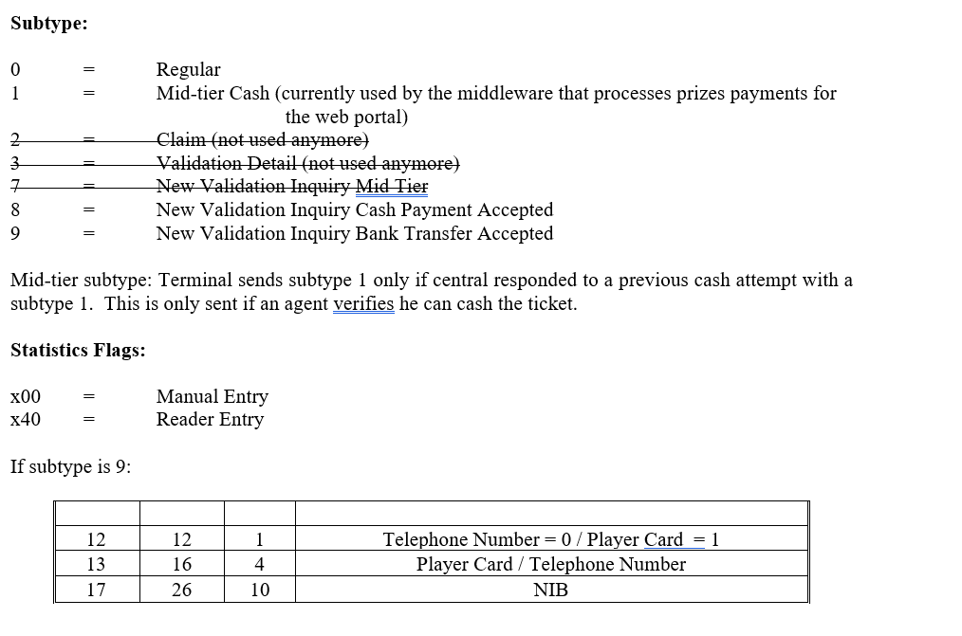
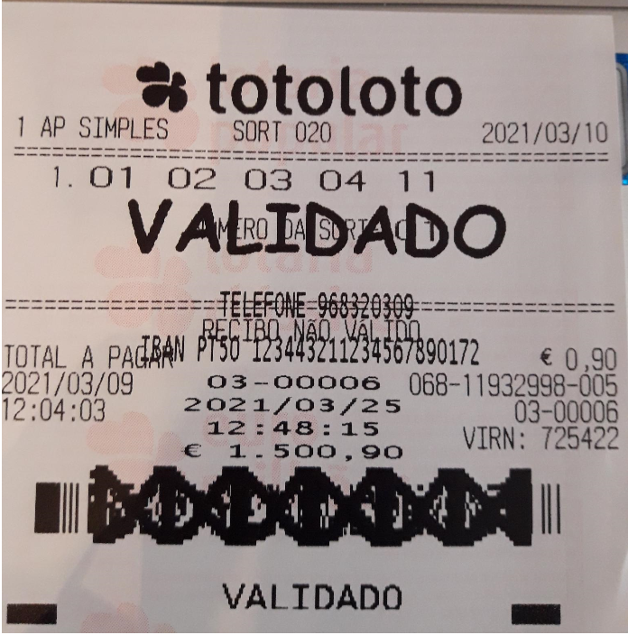

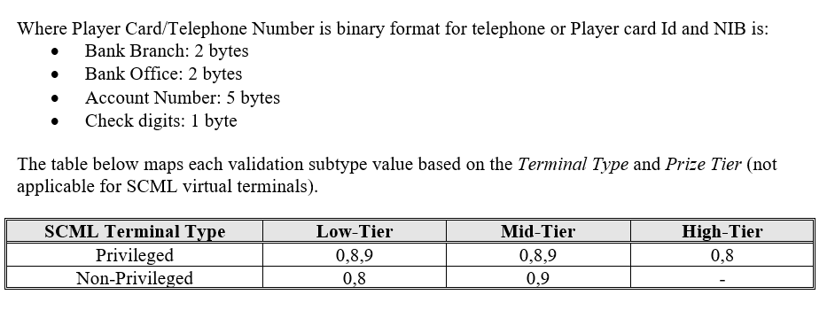

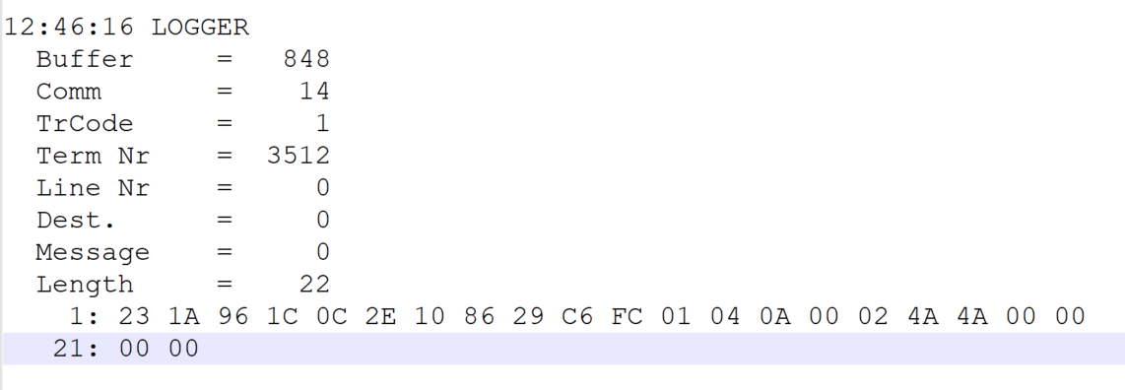
TestByte |  | Size | Field Contents
Start | End
1 | 1 | 1 | Control | Sequence | 23 | Control=0010 Sequence=0011 | 2 3 | Control -> x10 - Application Message Sequence -> 3
2 | 2 | 1 | Type = 1 | Subtype = see below | 1A | Type=0001 Subtype=1010 | Type=1 Subtype=10 | Type = 1 Subtype = 10 10 = New Validation Inquiry Bank Transfer Only
3 | 4 | 2 | Checksum |  | 96 1C
5 | 7 | 3 | Time |  | 0C 2E 10 |  | 12:46:16 | 12:46:16
8 | 10 | 3 | Validation Serial Number |  | 86 29 C6 |  | 8792518 | 8792518
11 | 11 | 1 | Validation Check Digits |  | FC |  | 252 | 252
12 | 12 | 1 | Game Type |  | 01 |  | 1 | LOTT - Totoloto
13 | 13 | 1 | Game Index |  | 04 |  | 4 | Quarta
14 | 14 | 1 | Validation Status |  | 0A |  | 10 | 10 = No Exchange Ticket
15 | 18 | 4 | Cash Amount (Validation Units) |  | 00 02 4A 4A |  | 150090 | 150090 Cent = 1500,90 euros
19 | 22 | 4 | Refund Amount (Validation Units) |  | 00 00 00 00 |  | 0 | 0

